Sheet1
 |  | Document No. | Issue No. | Issue Date |  |  | Review and Replace Date |  | Authorised By
 |  | GFF558MC | 1 | 06.03.2026 |  |  | New Issue
 |  | Document Title | Gazebo Hot Counter MINCED BUTTER CHICKEN 1500G
 |  | new launch |  |  | Page |  |  | 1 of 1 | Magda Shah
Document amendments reason for change |  |  |  |  | Previous Issue Date |  |  | New Issue | Uncontrolled copy unless signed original

CCBUMI-B1B | GAZEBO Hot Counter - BOOTHS |  |  |  |  | GAZEBO MINCED BUTTER CHICKEN 1500g
STEP 1 |  |  |  |  | STEP 2
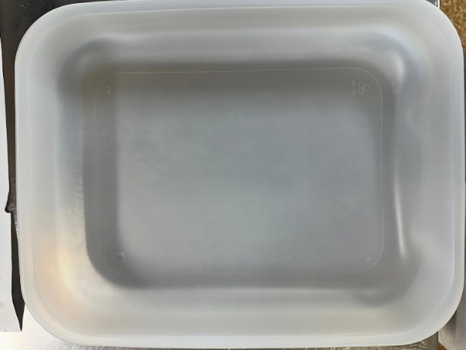 |  |  |  |  | 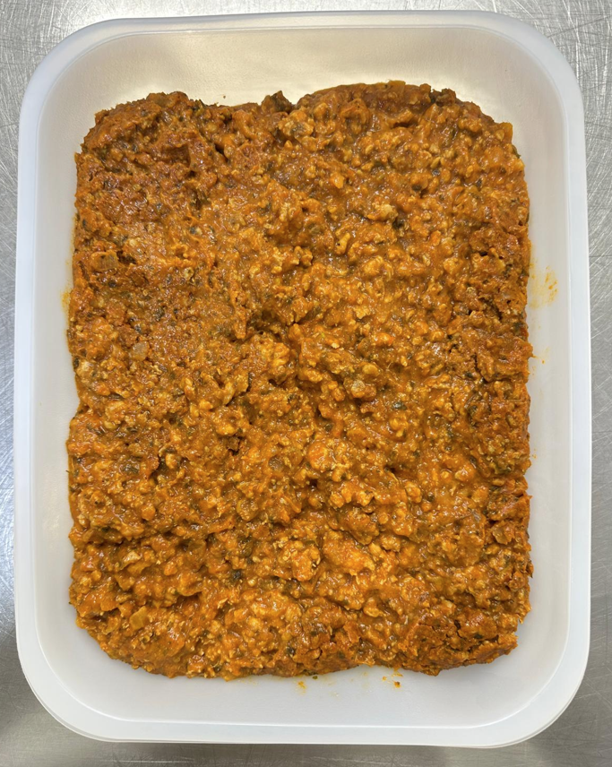

COOK
+ 10 DAYS

Tray: 597 natural (320x245x50mm) -PKPRO001-20 Film: S340AF 340mmX510mm AF&HB Weld- PKPRO001-17 |  |  |  |  | Minced Butter Chicken (GFF494R) |  |  |  |  | 1500g
ALLERGY ALERT: Barley, Milk

